Chart Intro-1
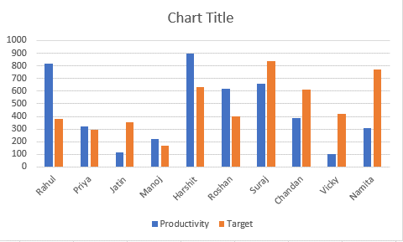
Agent | Productivity | Target
Rahul | 817 | 383
Priya | 321 | 292
Jatin | 115 | 355
Manoj | 224 | 166 |  |  | Chart Title
Harshit | 894 | 631 |  |  |  |  | Chart Border
Roshan | 617 | 397 |  |  |  | Gridlines
Suraj | 656 | 837
Chandan | 389 | 610 |  |  |  | Chart Surface
Vicky | 102 | 420
Namita | 308 | 773 |  |  |  | Data Bars

 |  |  |  |  |  | X(Axes)

 |  |  |  | Lagends

 |  |  | Y(Axes)

Chart Intro
Agent | Productivity | Target
Rahul | 817 | 383
Priya | 321 | 292
Jatin | 115 | 355
Manoj | 224 | 166
Harshit | 894 | 631
Roshan | 617 | 397
Suraj | 656 | 837
Chandan | 389 | 610
Vicky | 102 | 420
Namita | 308 | 773

Chart Intro-3
Agent | Productivity | Target
Rahul | 817 | 383
Priya | 321 | 292
Jatin | 115 | 355
Manoj | 224 | 166
Harshit | 894 | 631
Roshan | 617 | 397
Suraj | 656 | 837
Chandan | 389 | 610
Vicky | 102 | 420
Namita | 308 | 773

